Indices

 | Iraq Stock Exchange
 | Bulletin No (80)
 | ISX Trading Indices of Thursday 7/5/2026

 | Traded Volume and OTC |  | 453,485,939 |  | Traded Value and OTC |  | 698,533,385 |  | Traders | 1081
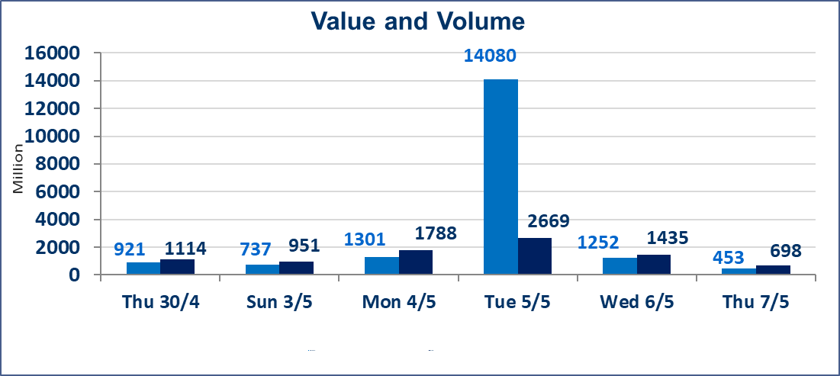
 | ISX Index 60 |  |  | 987.37 | ISX Index 15 |  |  | 1257.66
 | Previous ISX Index60 |  |  | 985.61 | Previous ISX Index15 |  |  | 1257.02
 | Change % |  |  | 0.18 | Change % |  |  | 0.05
 | Change |  |  | 1.76 | Change |  |  | 0.64

 | Listed Companies | 104 | OTC | 14 | Non Traded listed | 42 | OTC | 12
 | Traded Listed Companies | 51 | OTC | 2 | Higher Companies |  |  | 14
 | GAM Companies |  |  | 3 | Lower Companies |  |  | 8
 | Suspended Companies |  |  | 8
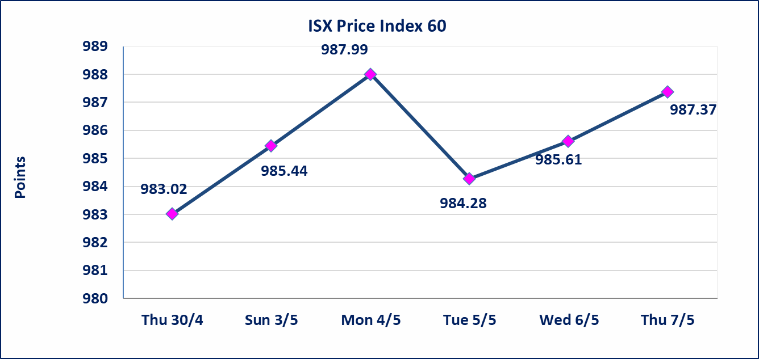
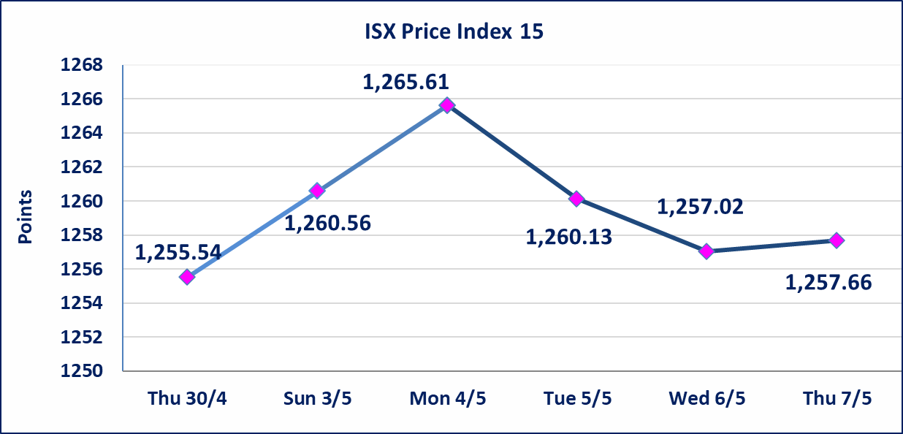

Al-Alwiya P.O . 3607 Mobile: 07711211522 - 07270094594 - 07834000034 E-mail: info-isx@isx-iq.net Web site:www.isx-iq.net

Top 5
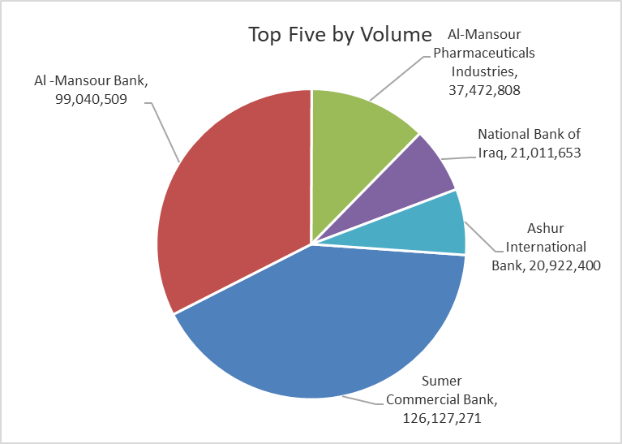
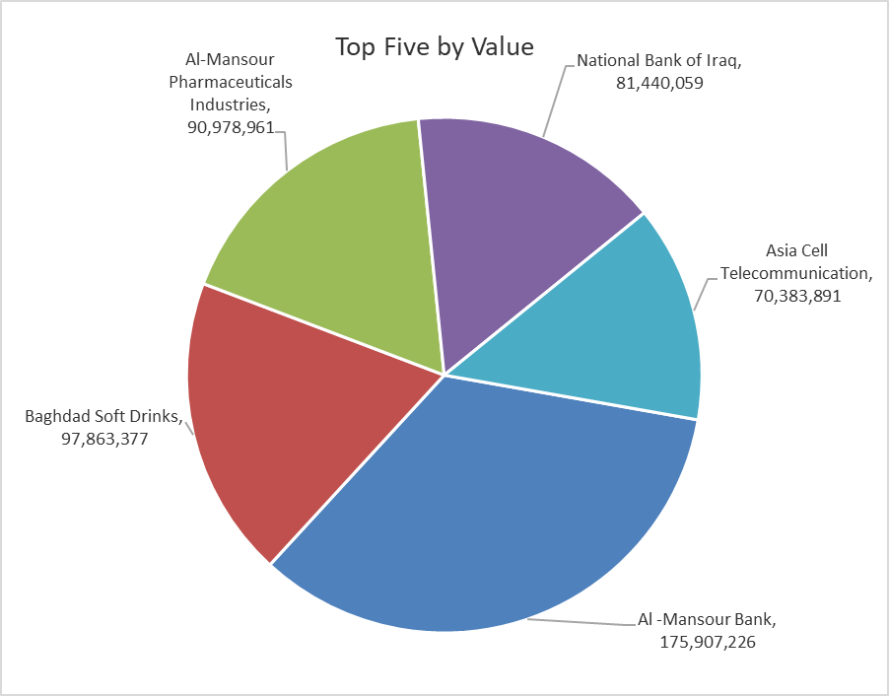

ISX top ganing and losing companies
Thursday 7/5/2026
 | Gainers |  |  |  | Losers
 | Company Name | Closing Price | Change (%) | Traded Volume | Company Name | Closing Price | Change (%) | Traded Volume
 | Ashur International Bank | 0.260 | 4.00 | 20,922,400 | Electronic Industry | 1.450 | -3.33 | 1,845,649
 | Agricultural Products Meat | 4.670 | 3.78 | 6,889 | Babil Animal & Vegetable Production | 9.890 | -3.04 | 238,803
 | Palestine Hotel | 18.920 | 2.33 | 989,284 | Al -Khazer Construction Materials | 1.250 | -2.34 | 3,500
 | Fallujah for construction Materials | 2.760 | 2.22 | 4,664,812 | Al-Khatam Telecom | 3.800 | -1.55 | 604,972
 | Iraqi Islamic Bank | 1.080 | 1.89 | 927,888 | AL-Nukhba for Construction | 0.700 | -1.41 | 164,915
 | The most active companies in term of traded volume and value

 | Traded Volume |  |  |  | Traded Value
 | Company Name | Closing Price | Change (%) | Traded Volume | Company Name | Closing Price | Change (%) | Traded Value
 | Sumer Commercial Bank | 0.200 | 0.00 | 126,127,271 | Al -Mansour Bank | 1.770 | 0.00 | 175,907,226
 | Al -Mansour Bank | 1.770 | 0.00 | 99,040,509 | Baghdad Soft Drinks | 6.180 | -0.32 | 97,863,377
 | Al-Mansour Pharmaceuticals Industries | 2.420 | 0.83 | 37,472,808 | Al-Mansour Pharmaceuticals Industries | 2.420 | 0.83 | 90,978,961
 | National Bank of Iraq | 3.860 | 0.26 | 21,011,653 | National Bank of Iraq | 3.860 | 0.26 | 81,440,059
 | Ashur International Bank | 0.260 | 4.00 | 20,922,400 | Asia Cell Telecommunication | 16.950 | 0.00 | 70,383,891

Non Iraqis

Iraq Stock Exchange
Non Iraqis' Bulletin Thursday May 7 2026
Regular Market

Non Iraqi Trading of Regular Market (Buy)
Company Names | Code | No.of trades | Traded Shares | Trading Volume
Banks Sector
National Bank Of Iraq | BNOI | 2 | 3,360,000 | 13,003,200
Al-Mansour Bank | BMNS | 1 | 550,000 | 984,500
Total Bank sector |  | 3 | 3,910,000 | 13,987,700
Hotel Sector
Mansour Hotel | HMAN | 2 | 8,000 | 380,800
Total Hotel Sector |  | 2 | 8,000 | 380,800
Agricultural Sector
Iraqi Agricultural Products Marketing Meat | AIPM | 1 | 1,116 | 5,022
Total Agricultural Sector |  | 1 | 1,116 | 5,022
Telecommunication Sector
Asia cell | TASC | 3 | 233,760 | 3,959,894
Total Telecommunication sector |  | 3 | 233,760 | 3,959,894
Grand Total |  | 9 | 4,152,876 | 18,333,416

Non Iraqi Trading of Regular Market (Sell)
Company Names | Code | No.of trades | Traded Shares | Trading Volume
Banks Sector
National Bank Of Iraq | BNOI | 3 | 5,000,000 | 19,350,000
Total Bank sector |  | 3 | 5,000,000 | 19,350,000
Services Sector
AL-Nukhba for Construction | SNUC | 3 | 150,000 | 102,000
Total Services sector |  | 3 | 150,000 | 102,000
Grand Total |  | 6 | 5,150,000 | 19,452,000

Non Iraqi Trading of Second Market (Sell)
Company Names | Code | No.of trades | Traded Shares | Trading Volume
Industry sector
Fallujah for Construction Materials | IFCM | 1 | 1,080 | 2,981
Total Industry sector |  | 1 | 1,080 | 2,981
Grand Total |  | 1 | 1,080 | 2,981

Not Trading Bonds

Iraq Stock Exchange
Thursday 7/5/2026
Not Trading Bonds Bulletin
Bond type | Publish type | Code | last trading price | immortilize date
Banaa Bonds /Million ID | Second | CB20 | 964,981 | 19/12/2025
Eamar Bonds /Million ID | First | CB30 | 1,001,095 | ــــــــــــــــ
Eamar Bonds /Million ID | Second | CB40 | ــــــــــــــــ | ــــــــــــــــ
Eamar Bonds /500 Thousand ID | Third | CB45 | ــــــــــــــــ | ــــــــــــــــ
Eamar Bonds /Million ID | Third | CB50 | ــــــــــــــــ | ــــــــــــــــ
Injaz Bonds /500 Thousand ID | First | CB55 | ــــــــــــــــ | ــــــــــــــــ
Injaz Bonds /Million ID | First | CB60 | 951,110 | ــــــــــــــــ
Injaz Bonds /500 Thousand ID | Second | CB65 | 507,301 | ــــــــــــــــ
Injaz Bonds /Million ID | Second | CB70 | 965,050 | ــــــــــــــــ
Injaz Bonds /500 Thousand ID | Third | CB75 | ــــــــــــــــ | ــــــــــــــــ
Injaz Bonds /Million ID | Third | CB80 | 978,182 | ــــــــــــــــ
National Bonds/Million ID | First | CB90 | ــــــــــــــــ | ــــــــــــــــ
National Bonds/500 Thousand ID | Second | CB95 | ــــــــــــــــ | ــــــــــــــــ
National Bonds/Million ID | Second | CB100 | ــــــــــــــــ | ــــــــــــــــ

